Editorial Post Live
Extensions

Call Extension | Enable and use tracking number

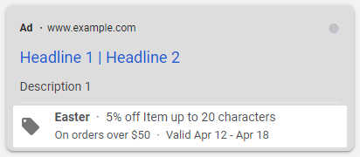
Callout Extensions |  |  |  | Structured Snippets |  |  | (optional) Price - minimum 3 line items |  |  |  |  |  | (optional) Promotion
Extension Copy | Mobile Preferred |  |  | Select Header | Types |  | Type |  |  |  |  |  | Field | Text
First Aid Trained |  | #REF! |  | Interior Painting |  | 8 | Price Qualifiier |  |  |  |  |  | Occasion
Fully Insured |  | #REF! |  | Exterior Painting |  | 8 | Start Date |  |  |  |  |  | Language
Bespoke Solutions |  | #REF! |  | Protective Coatings |  | 6 | End Date |  |  |  |  |  | Start Date
Fast Turnaround |  | 8 |  | Intumescent Coatings |  | 5 | Header | Description | Unit Value | Price | URL |  | End Date
NZ Owned & Operated |  | 12 |  | Epoxy Floor Coatings |  | 5 |  |  |  |  |  | 25 (Header), 25 (Descrip) | Promotion Type
 |  | 8 |  | Wallcoverings |  | 12 |  |  |  |  |  | 25 (Header), 25 (Descrip) | Item
 |  | 25 |  | Architectural Coatings |  | 3 |  |  |  |  |  | 25 (Header), 25 (Descrip) | Final URL
 |  | 25 |  |  |  | 25 |  |  |  |  |  | 25 (Header), 25 (Descrip) | Promo Details
 |  | 25 |  |  |  | 25 |  |  |  |  |  | 25 (Header), 25 (Descrip) | If orders over $X
 |  | 25 |  |  |  | 25 |  |  |  |  |  | 25 (Header), 25 (Descrip)

Publisher Targeting

DMA Targeting | Auckland
National Targeting | Auckland

Targeting Exclusions | Anything beyond above targeting

Ad Scheduling | Day Of The Week |  | Start Time |  |  | End Time

